Inventory Mgt
Item ID | Item Name | Category | Quantity | Purchase Date | Cost Per Item | In Use | Condition | Location | Notes | Details
1 | Stage Lighting Fixture | Lighting | 15 | 2023-08-10 | £250.00 | TRUE | Good | Warehouse A | Used for stage events | LED, DMX controlled
2 | Folding Chairs | Seating | 200 | 2023-09-05 | £15.00 | FALSE | Excellent | Warehouse A | Stackable | Metal frame, plastic seat
3 | Sound Mixer | Audio | 3 | 2023-10-20 | £1,200.00 | TRUE | Fair | Warehouse A | 12 Channel | Digital, with effects
4 | Round Tables | Tables | 25 | 2023-11-15 | £80.00 | FALSE | Good | Warehouse A | 6ft diameter | Foldable legs, wooden top
5 | Projector Screen | Visual | 5 | 2023-12-01 | £40.00 | TRUE | Good | Warehouse A | Retractable | 100 inch, tripod stand
6 | Tablecloths | Linen | 100 | 2024-01-18 | £50.00 | FALSE | New | Warehouse A | Assorted colors | Off-white, Polyester, washable
7 | Balloons |  | 1000 | 2024-05-22 | £60.00 | TRUE | Good | Office | Assorted colors | Red, yellow, golden, silver, black
8 | Arch | Metal | 10 | 2023-12-01 | £45.00 | TRUE | Good | Office |  | Golden
9 | Curtains | Linen | 20 | 2023-12-23 | £60.00 | TRUE | Good | Warehouse A |  | White
10 | Curtains | Net | 20 | 2024-01-18 | £60.00 | FALSE | Good | Warehouse A |  | Black
11 | Center pieces | Metal | 50 | 2024-03-09 | £100.00 | TRUE | Good | Warehouse A |  | Floral
12 | Center pieces | Metal | 50 | 2024-01-18 | £100.00 | TRUE | Good | Warehouse A |  | Modern
13 | Globes | Glass | 10 | 2024-01-18 | £50.00 | TRUE | Good | Warehouse A |  | Transparent
14 | Disco lights |  | 5 | 2023-12-27 | £50.00 | TRUE | Good | Warehouse A |  | Multicolor
15 | Stand | Wood | 12 | 2023-12-23 | £480.00 | FALSE | Good | Warehouse A |  | 3 by 6 feet
16 | Boxes | Wood | 50 | 2023-12-23 | £10.00 | TRUE | Good | Warehouse A |  | Props
17 | Card holders | metal | 100 | 2023-12-23 | £2.00 | FALSE | Fair | Warehouse A |  | Silver
18 | Card holders | metal |  | 2024-03-09 | £2.00 | TRUE | Good | Warehouse A |  | Golden
19 | Card holders | metal |  | 2024-03-09 | £2.00 | TRUE | Good | Warehouse A |  | Black
20 | Serving Plates | ceramic |  | 2024-03-09 | £5.00 | FALSE | Good | Warehouse A |  | white
21 | Quarter plates | ceramic |  | 2024-03-09 | £5.00 | TRUE | Good | Office |  | white
22 | Soup bowls | Ceramic |  | 2024-03-09 | £3.00 | TRUE | Good | Office |  | white
23 | Dessert spoon | Metal | 150 | 2023-11-13 | £1.00 | FALSE | Fair | Warehouse A |  | Silver
24 | Dessert spoon | Metal | 150 | 2024-03-09 | £1.00 | TRUE | Good | Warehouse A |  | Golden
25 | Spoon | Metal | 150 | 2024-03-09 | £1.00 | FALSE | Good | Warehouse A |  | Silver
26 | Spoon | Metal | 150 | 2024-03-09 | £1.00 | TRUE | Good | Warehouse A |  | Golden
27 | Fork | Metal | 150 | 2023-12-27 | £1.00 | FALSE | Fair | Warehouse A |  | Silver
28 | Fork | Metal | 150 | 2023-12-27 | £1.00 | TRUE | Fair | Warehouse A |  | Golden
29 | Knife | Metal | 150 | 2024-03-09 | £1.00 | FALSE | Good | Warehouse A |  | Silver
30 | Knife | Metal | 150 | 2024-05-22 | £1.00 | TRUE | Excellent | Warehouse A |  | Golden
31 | Napkins | Cotton | 100 | 2024-05-22 | £2.00 | FALSE | Excellent | Warehouse A |  | Maroon
32 | Napkins | Cotton | 100 | 2023-11-13 | £2.00 | TRUE | Fair | Warehouse A |  | Yellow
33 | Napkins | Cotton | 100 | 2023-11-13 | £2.00 | TRUE | Fair | Warehouse A |  | Blue
34 | Napkins | Cotton | 100 | 2024-02-20 | £2.00 | TRUE | Good | Office |  | Grey
35 | Napkins | Cotton | 100 | 2024-03-09 | £2.00 | TRUE | Good | Warehouse A |  | Golden
36 | Napkins | Cotton | 100 | 2024-03-09 | £2.00 | TRUE | Good | Warehouse A |  | Pink
37 | Napkins | Cotton | 100 | 2023-12-27 | £2.00 | TRUE | Fair | Warehouse A |  | Red
38 | Napkins | Cotton | 100 | 2023-11-13 | £2.00 | TRUE | Fair | Warehouse A |  | Black
39 | Table cloth | Cotton | 50 | 2024-05-22 | £5.00 | TRUE | Excellent | Warehouse A |  | Black
40 | Chair cover | Cotton | 150 | 2024-02-20 | £5.00 | TRUE | Excellent | Warehouse A |  | Black

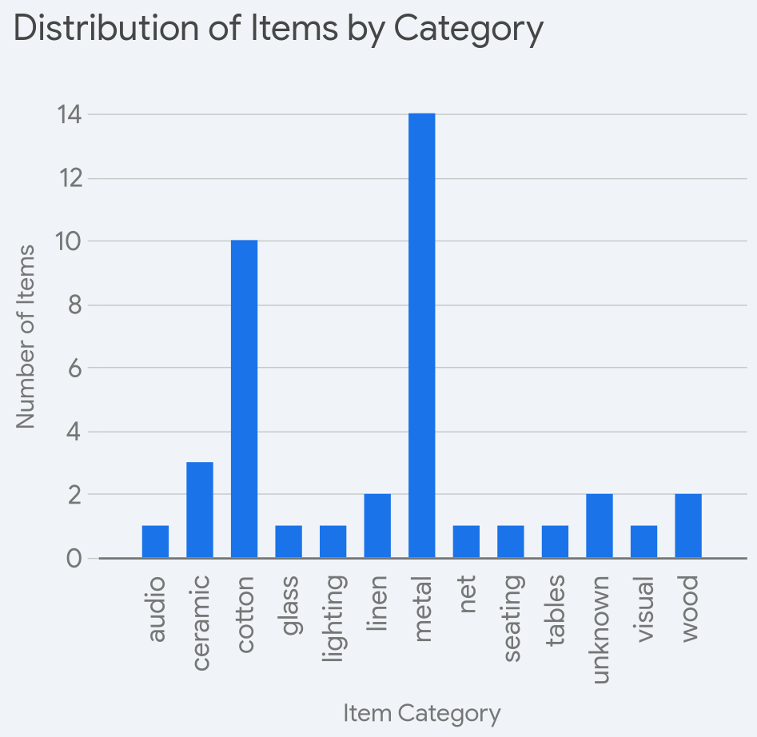 |  |  |  | 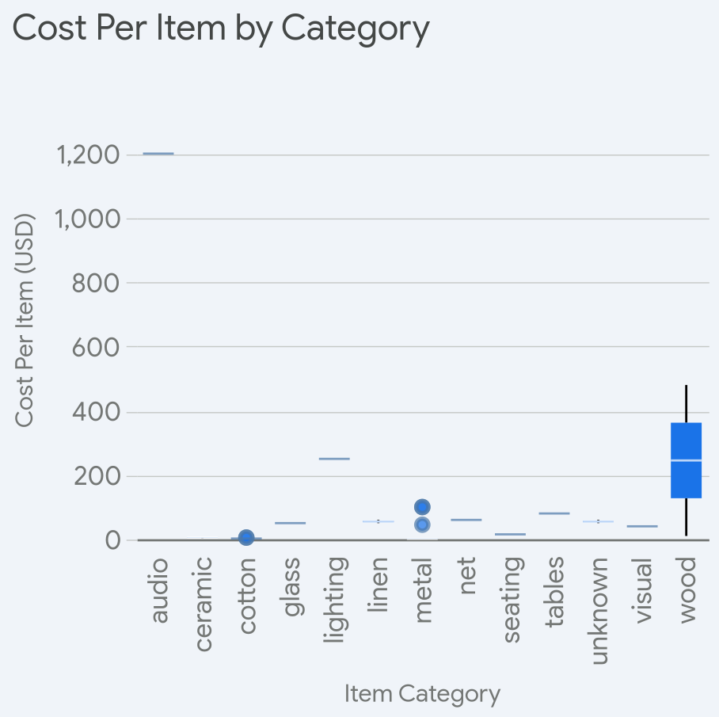 |  |  |  |  | 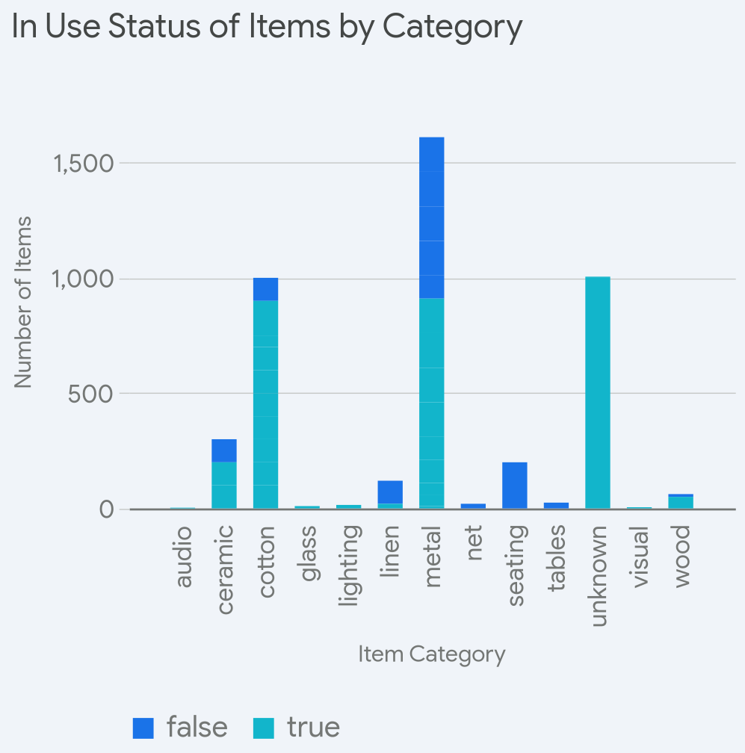
Key Takeaways from the Inventory Analysis: 1. **Dominant Item Categories:** The inventory is heavily weighted towards certain categories. * The 'metal' and 'cotton' categories have the highest number of items, as shown in the 'Distribution of Items by Category' bar chart. This suggests a large stock of items like cutlery, card holders, and linens such as napkins, table cloths, and chair covers. * The 'seating' category also has a significant number of items, likely due to the large quantity of folding chairs. 2. **Cost Variation Across Categories:** The cost per item varies significantly depending on the category. * The 'audio' category has the highest cost per item, with at least one item costing over $1000, as indicated by the 'Cost Per Item by Category' box plot. This is likely due to the presence of expensive equipment like the sound mixer. * Categories like 'metal' and 'cotton' have generally low costs per item, with most items costing less than $5. * The 'wood' category also shows a high cost per item, likely influenced by items like stands. 3. **In-Use Status and Category:** The proportion of items in use differs across categories. * A high number of 'unknown' category items (likely balloons and disco lights) are currently in use, as seen in the 'In Use Status of Items by Category' stacked bar chart. * A substantial portion of 'metal' and 'cotton' items are also in use. * The 'seating' and 'tables' categories show a large quantity of items that are not currently in use, suggesting these items might be used less frequently or are in sufficient stock to meet current demands. These insights can help in inventory management decisions, such as identifying categories with high stock levels, understanding the investment in different types of equipment, and assessing the utilization rate of various inventory categories.

